Print Page 1
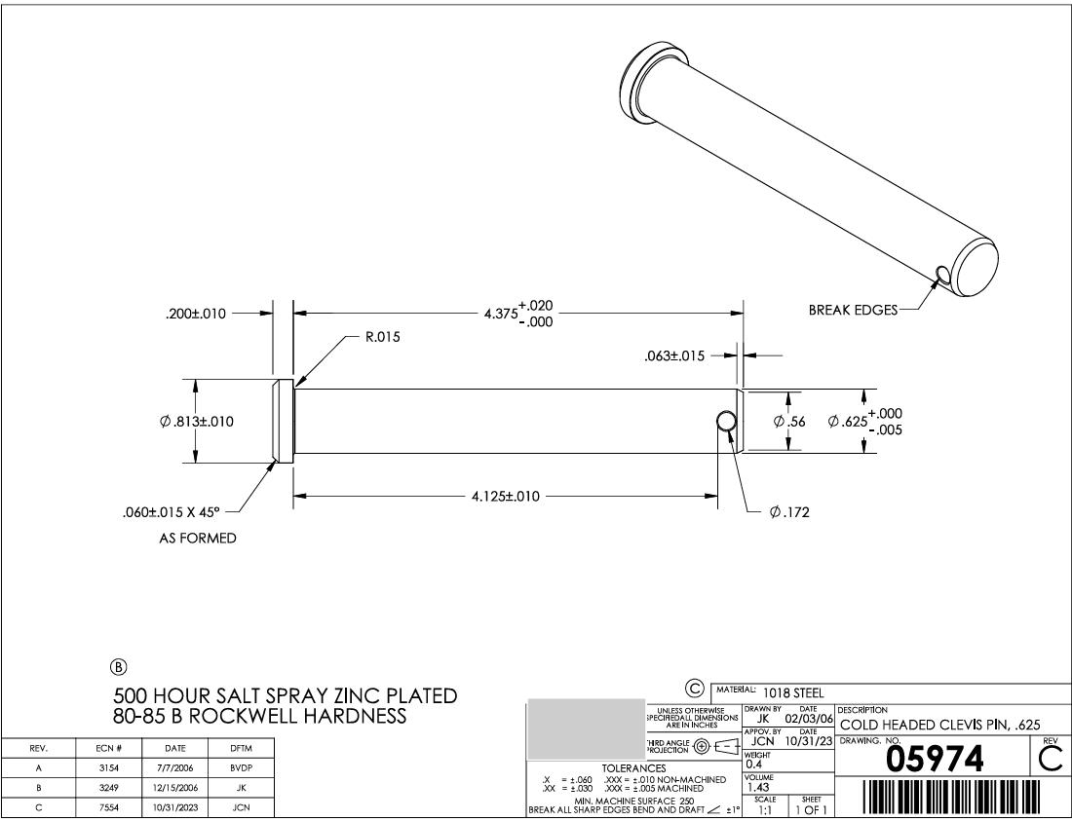

4
3

9
10

8
1
2

7b

7a
6
5

